Tabelle1
 | Slenderness | L/H | (-) | 0.5 | 1 | 1.1 | 1.2 | 1.3 | 1.4 | 1.5 | 1.6 | 1.7 | 1.8 | 1.9 | 2 | 2.1 | 2.2 | 2.3 | 2.4 | 2.5 | 2.6 | 2.7 | 2.8 | 2.9 | 3 | 3.1 | 3.2 | 3.3 | 3.4 | 3.5 | 3.6 | 3.7 | 3.8 | 3.9 | 4 | 4.1 | 4.2 | 4.3 | 4.4 | 4.5 | 4.6 | 4.7 | 4.8 | 4.9 | 5 | 5.1 | 5.2 | 5.3 | 5.4 | 5.5 | 5.6 | 5.7 | 5.8 | 5.9 | 6
 | Ind. Volume | W | (-) | 4.25 | 2.5 | 2.368182 | 2.266667 | 2.188462 | 2.128571 | 2.083333 | 2.05 | 2.026471 | 2.011111 | 2.002632 | 2.0 | 2.002381 | 2.009091 | 2.019565 | 2.033333 | 2.05 | 2.069231 | 2.090741 | 2.114286 | 2.139655 | 2.166667 | 2.195161 | 2.225 | 2.256061 | 2.288235 | 2.321429 | 2.355556 | 2.390541 | 2.426316 | 2.46282 | 2.5 | 2.537805 | 2.57619 | 2.615116 | 2.654545 | 2.694444 | 2.734783 | 2.775532 | 2.816667 | 2.858163 | 2.9 | 2.942157 | 2.984615 | 3.027358 | 3.07037 | 3.113636 | 3.157143 | 3.200877 | 3.244828 | 3.288983 | 3.333333

 | Slenderness | L/H | (-) | 0.5 | 1 | 1.1 | 1.2 | 1.3 | 1.4 | 1.5 | 1.6 | 1.7 | 1.8 | 1.9 | 2 | 2.1 | 2.2 | 2.3 | 2.4 | 2.5 | 2.6 | 2.7 | 2.8 | 2.9 | 3 | 3.1 | 3.2 | 3.3 | 3.4 | 3.5 | 3.6 | 3.7 | 3.8 | 3.9 | 4 | 4.1 | 4.2 | 4.3 | 4.4 | 4.5 | 4.6 | 4.7 | 4.8 | 4.9 | 5 | 5.1 | 5.2 | 5.3 | 5.4 | 5.5 | 5.6 | 5.7 | 5.8 | 5.9 | 6
 | Ind. Volume | W | (-) | 4.1875 | 2.38 | 2.23 | 2.12 | 2.03 | 1.95 | 1.90 | 1.85 | 1.81 | 1.79 | 1.77 | 1.75 | 1.74 | 1.734 | 1.73 | 1.733 | 1.74 | 1.74 | 1.75 | 1.76 | 1.78 | 1.79 | 1.81 | 1.83 | 1.84 | 1.86 | 1.88 | 1.91 | 1.93 | 1.95 | 1.98 | 2.00 | 2.03 | 2.05 | 2.08 | 2.10 | 2.13 | 2.16 | 2.19 | 2.22 | 2.25 | 2.28 | 2.30 | 2.33 | 2.36 | 2.40 | 2.43 | 2.46 | 2.49 | 2.52 | 2.55 | 2.58

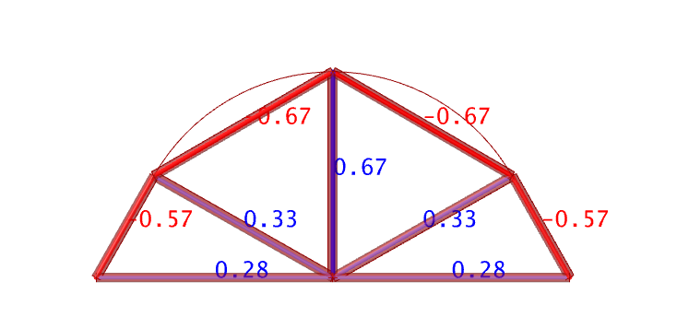
n = 3 radius
 | Slenderness | L/H | (-) |  |  |  |  |  |  |  |  |  |  |  |  | 2.1 | 2.2 | 2.3 | 2.4 | 2.5 | 2.6 | 2.7 | 2.8 | 2.9 | 3 | 3.1 | 3.2 | 3.3 | 3.4 | 3.5 | 3.6 | 3.7 | 3.8 | 3.9 | 4 | 4.1 | 4.2 | 4.3 | 4.4 | 4.5 | 4.6 | 4.7 | 4.8 | 4.9 | 5 | 5.1 | 5.2 | 5.3 | 5.4 | 5.5 | 5.6 | 5.7 | 5.8 | 5.9 | 6
 | Ind. Volume | W | (-) |  |  |  |  |  |  |  |  |  |  |  |  | 1.78 | 1.742 | 1.73 | 1.737 | 1.75 | 1.77 | 1.79 | 1.82 | 1.85 | 1.88 | 1.92 | 1.95 | 1.99 | 2.03 | 2.06 | 2.10 | 2.14 | 2.18 | 2.23 | 2.27 | 2.31 | 2.35 | 2.40 | 2.44 | 2.48 | 2.53 | 2.57 | 2.62 | 2.66 | 2.71 | 2.75 | 2.80 | 2.85 | 2.89 | 2.94 | 2.98 | 3.03 | 3.08 | 3.12 | 3.17

 | Slenderness | L/H | (-) |  |  |  |  |  |  |  |  |  |  |  | 2 | 2.1 | 2.2 | 2.3 | 2.4 | 2.5 | 2.6 | 2.7 | 2.8 | 2.9 | 3 | 3.1 | 3.2 | 3.3 | 3.4 | 3.5 | 3.6 | 3.7 | 3.8 | 3.9 | 4 | 4.1 | 4.2 | 4.3 | 4.4 | 4.5 | 4.6 | 4.7 | 4.8 | 4.9 | 5 | 5.1 | 5.2 | 5.3 | 5.4 | 5.5 | 5.6 | 5.7 | 5.8 | 5.9 | 6
 | Ind. Volume | W | (-) |  |  |  |  |  |  |  |  |  |  |  | 1.59 | 1.60 | 1.61 | 1.63 | 1.66 | 1.68 | 1.71 | 1.75 | 1.78 | 1.82 | 1.85 | 1.89 | 1.93 | 1.97 | 2.01 | 2.05 | 2.09 | 2.13 | 2.17 | 2.21 | 2.26 | 2.30 | 2.34 | 2.39 | 2.43 | 2.48 | 2.52 | 2.57 | 2.61 | 2.66 | 2.70 | 2.75 | 2.80 | 2.84 | 2.89 | 2.93 | 2.98 | 3.03 | 3.07 | 3.12 | 3.17

